Bloom's Taxonomy Levels
Types of Lesson Objectives per Level
Use Bloom's Taxonomy Action Words to create effective Learning Objectives for each of your course activities. Decypher what level each lesson activity falls into and create a learning objective that clearly measures that level of learning.
Level 1 - Basic Knowledge | Level 2 - Comprehension | Level 3 - Application/Analyzing | Level 4 - Synthezing/Evaluation
Define | Explain | Solve | Teach
Identify | Interpret | Apply | Articluate
Describe | Paraphrase | Illustrate | Report
Lable | Summarize | Modify | Infer
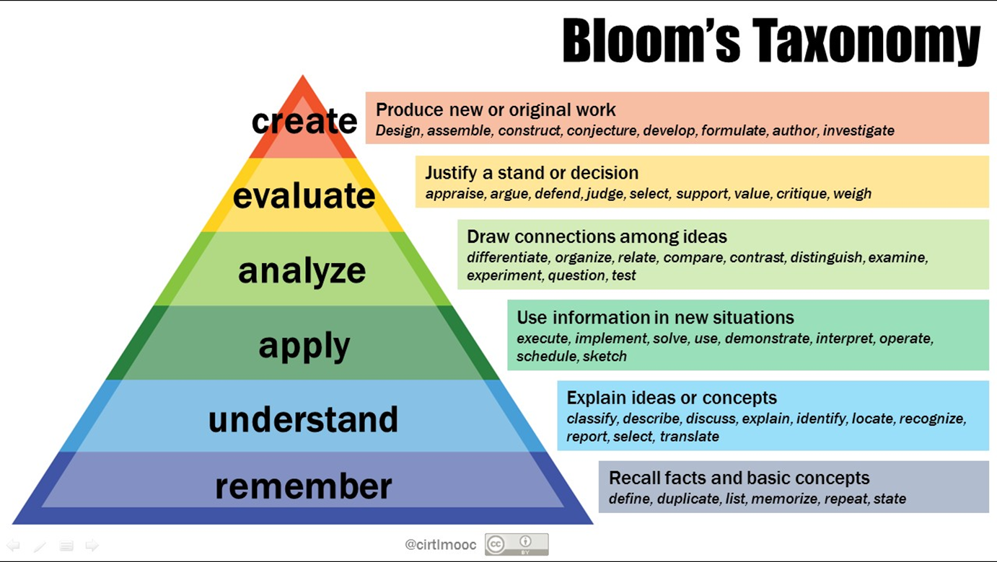
List | Classify | Use | Judge
Name | Compare | Change | Evaluate
State | Differentiate | Calculate | Design
Match | Discuss | Choose | Combine
Recognize | Distinguish | Relate | Write
Select | Extend | Show | Compile
Examine | Predict | Sketch | Generalize
Locate | Associate | Complete | Prepare
Memorize | Contrast | Construct | Collaborate
Quote | Convert | Dramatize | Assess
Recall | Demonstrate | Manipulate | Discriminiate
Reproduce | Estimate | Survey | Rank
Tabulate | Express | Appraise | Predict
Tell | Indicate | Breakdown | Support
Copy | Relate | Conclude | Adapt
Discover | Restate | Prioritize | Assemble
Duplicate | Translate | Order | Modify
Enumerate | Ask | Connect | Find Errors
Listen | Cite | Categorize | Hypothesize
Observe |  | Criticize | Invent
Omit |  | Subdivide | Formulate
Read |  | Deduce | Plan
Recite |  | Correlate | Compose
Record |  | Devise | Rewrite
 |  | Chart | Aniticipate
 |  | Act | Arrange

